UI
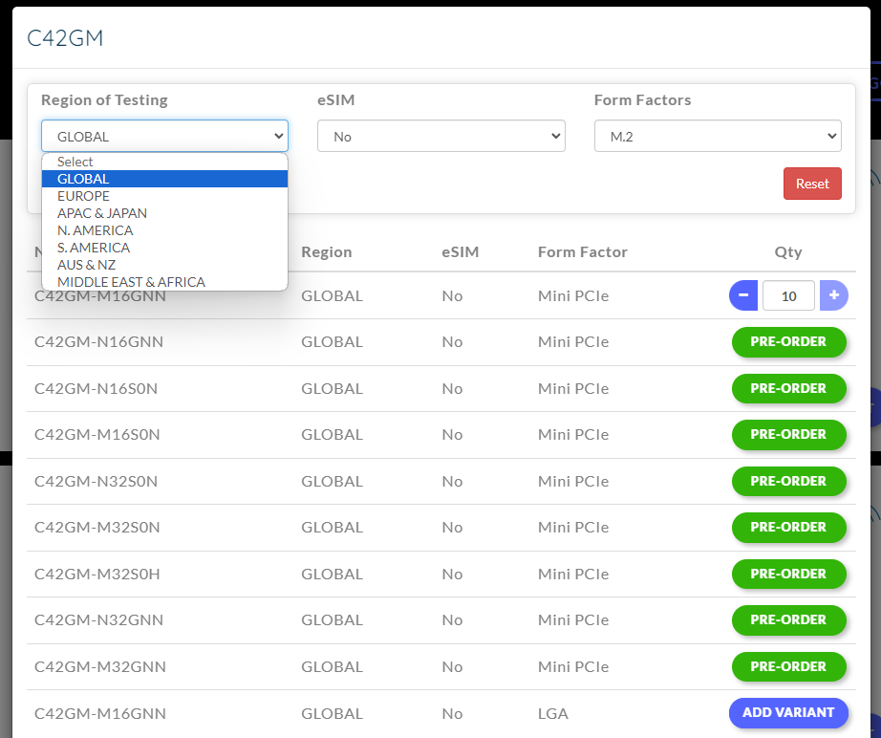
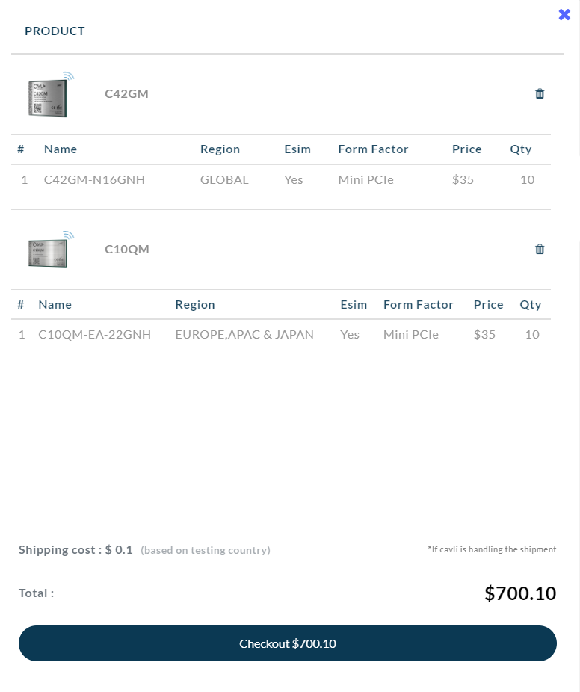

 | Cart UI

Filter UI
 |  | Filter UI

Filter UI

